Paths into Oregon
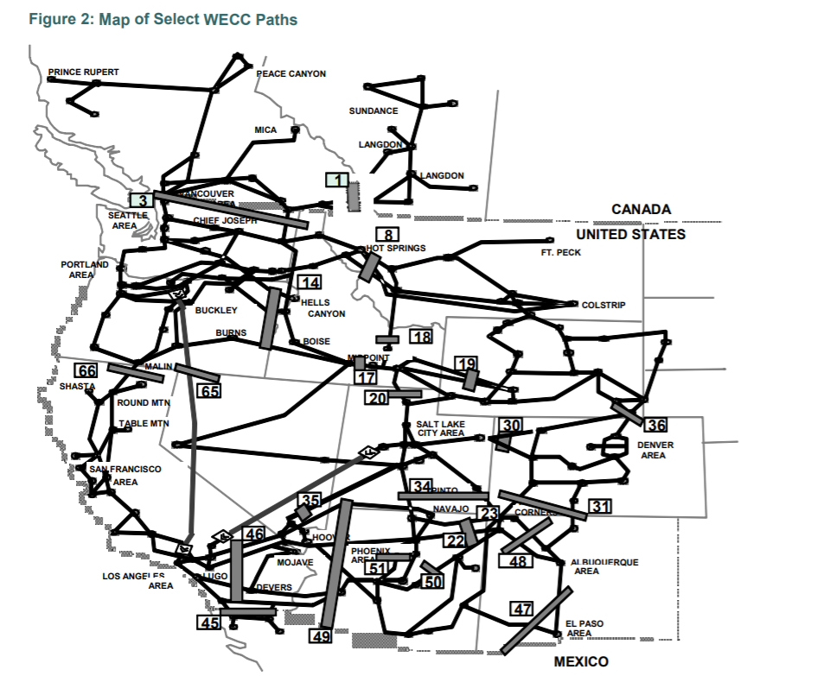

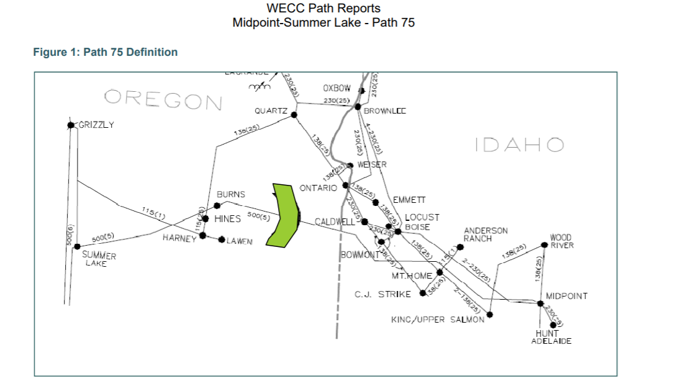

 | https://www.caiso.com/Documents/2015SummerAssessment.pdf

 | CAISO paths per resource above.
 |  | Path 66 | 4237.5
 |  | Path 65 | 3100
 |  | Path 14 | 1800
 |  | Path 75 | 950

 |  | sum | 10,087.5

Even though these are described as "CAISO" transmission paths, they are actually more all encompassing
For example, Path 27 most serves LA DWP.
"Path 27 is a +/- 500 kV DC bipole line that runs from the Intermountain station in central Utah to the Adelanto substation in southern California. T
he path is often refered to as IPPDC. Nearly 60 percent of the path’s capacity is allocated to LADWP. The remaining 40 percent is split between five southern California municipalities."

https://www.wecc.biz/Reliability/2011Plan_Path_WriteUps.pdf

https://www.wecc.biz/Reliability/TAS_PathReports_Combined_FINAL.pdf

Path 66
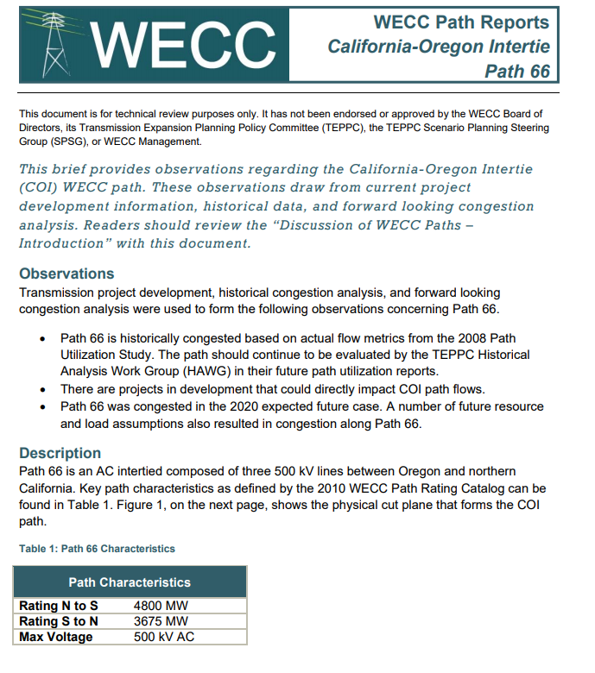

Path 66 | 4237.5

Path 65
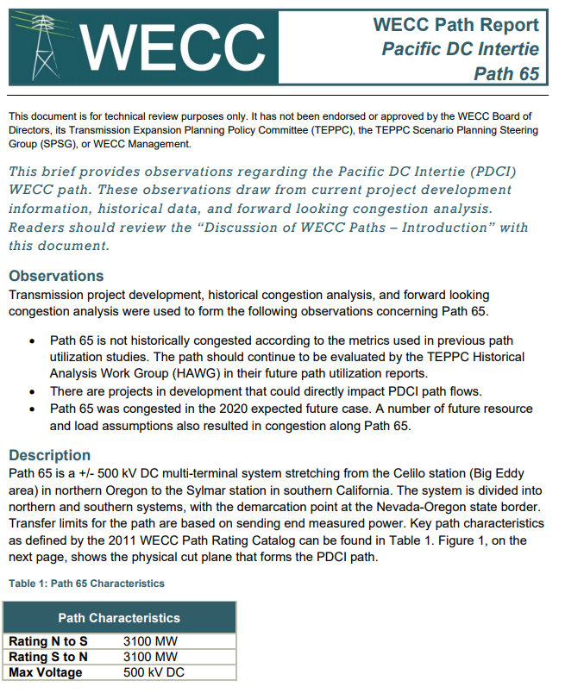
Path 65 | 3100

Path 14
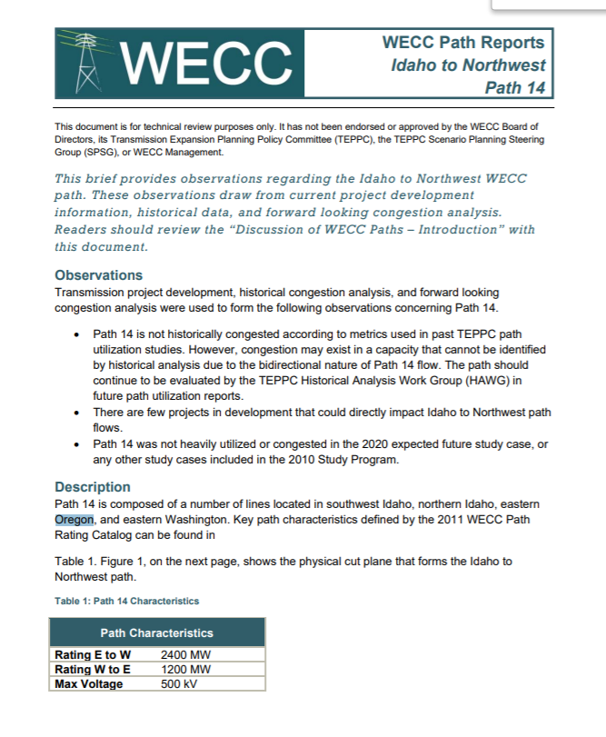

Path 14 | 1800

Path 75
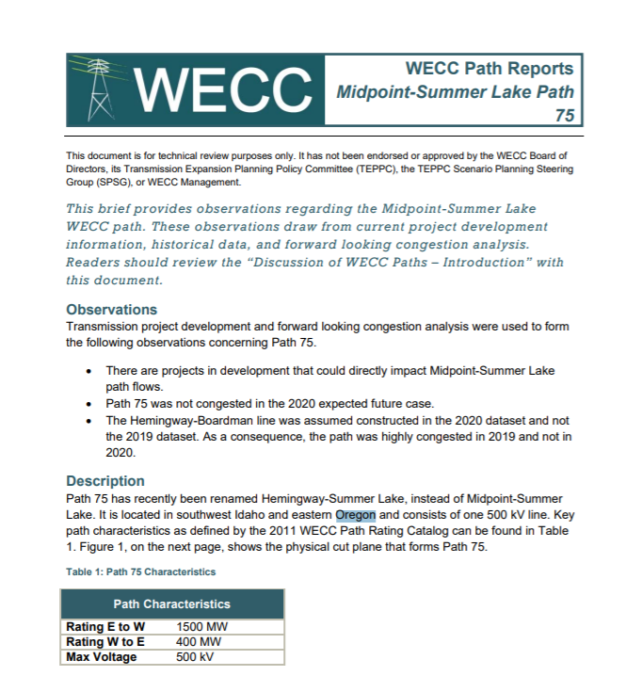

950 | path 75

